Sheet1
Moog Model 15 MIDI Controller Map
Control Parameter | MIDI CC# | CC Value Range | MUX Name | Mux # | Arduino Port
Used by Model 15 Program
MOD WHEEL | 1[MSB],33[LSB] | 0-127[MSB],0-16383[MSB,LSB]
MIDI Bridge From/To 1 | 16[MSB],48[LSB] | 0-127[MSB],0-16383[MSB,LSB] |  |  |  | pin type | muxes | pins
MIDI Bridge From/To 2 | 17[MSB],48[LSB] | 0-127[MSB],0-16383[MSB,LSB] |  |  |  | Analog | 3 | 48
MIDI Bridge From/To 3 | 18[MSB],48[LSB] | 0-127[MSB],0-16383[MSB,LSB] |  |  |  | Digital | 3 | 48
MIDI Bridge From/To 4 | 19[MSB],48[LSB] | 0-127[MSB],0-16383[MSB,LSB] |  |  |  | Direct Pin | 0 | 0
MIDI Bridge From/To 5 | 20[MSB],48[LSB] | 0-127[MSB],0-16383[MSB,LSB] |  |  |  | TOTAL | 6 | 96
MIDI Bridge From/To 6 | 11[MSB],48[LSB] | 0-127[MSB],0-16383[MSB,LSB]
POLY LEGATO NOTE NUMBER | 84 | 0-127
Used by MIDI control suface
Panel 1 (20 controls)
Filter Bank (10)
Potentiometer 1 | 45 | 0-127 | MUX1 | 0 | A0 | 48 pots |  |  | MUX1 | A0
Potentiometer 2 | 46 | 0-127 | MUX1 | 1 | A0 | 10 rocker siwtches |  |  | MUX2 | D7
Potentiometer 3 | 47 | 0-127 | MUX1 | 2 | A0 | 1x 3 position switchs |  |  | MUX3 | A1
Potentiometer 4 | 48 | 0-127 | MUX1 | 3 | A0 | 4x 6 position switchs |  |  | MUX4 | D6
Potentiometer 5 | 49 | 0-127 | MUX1 | 4 | A0 | 2x 3 position toggle switches |  |  | MUX5 | D5
Potentiometer 6 | 50 | 0-127 | MUX1 | 5 | A0 | 2x 2 position toggle siwtches |  |  | MUX6 | A2
Potentiometer 7 | 51 | 0-127 | MUX1 | 6 | A0 | 5x buttons
Potentiometer 8 | 52 | 0-127 | MUX1 | 7 | A0
Potentiometer 9 | 53 | 0-127 | MUX1 | 8 | A0 | 72 devices
Potentiometer 10 | 54 | 0-127 | MUX1 | 9 | A0
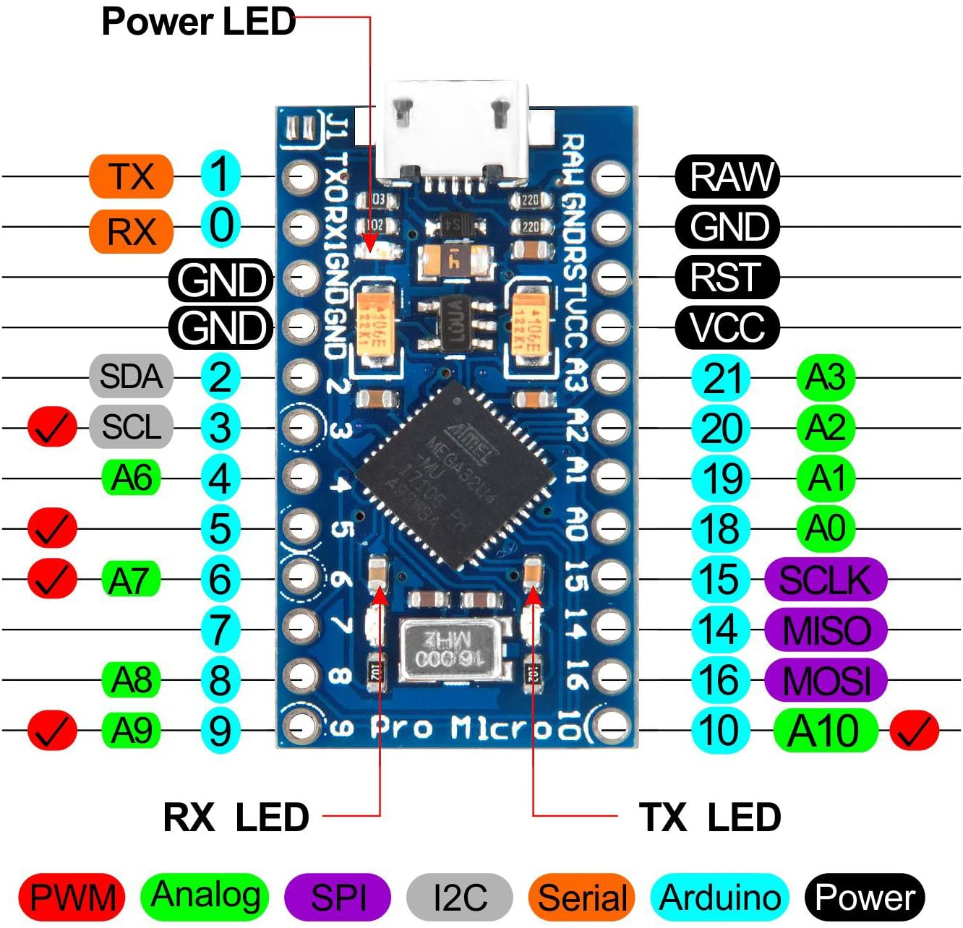
Attenuators (3)
Potentiometer 11 | 55 | 0-127 | MUX1 | 10 | A0
Potentiometer 12 | 56 | 0-127 | MUX1 | 11 | A0
Potentiometer 13 | 57 | 0-127 | MUX1 | 12 | A0
Voltage Controlled Low Pass Filter (3)
Potentiometer 14 | 58 | 0-127 | MUX1 | 13 | A0
Potentiometer 15 | 59 | 0-127 | MUX1 | 14 | A0
3 position rotary switch 1 | 60 | 0-127 | MUX2 | 0-2 | D7
Voltage Controlled Amplifier 1 (2)
Rocker Switch 1 | 61 | 0-127 | MUX2 | 3 | D7
Potentiometer 16 | 62 | 0-127 | MUX1 | 15 | A0
Voltage Controlled Amplifier 2 (2)
Rocker Switch 2 | 63 | 0-127 | MUX2 | 4 | D7
Potentiometer 17 | 64 | 0-127 | MUX3 | 0 | A1
Panel 2 (27 controls)
Oscillator Driver (3)
Potentiometer 18 | 65 | 0-127 | MUX3 | 1 | A1
Rocker Switch 3 | 66 | 0-127 | MUX2 | 5 | D7
Potentiometer 19 | 67 | 0-127 | MUX3 | 2 | A1
Oscillator 1 (3) |  |  |  |  |  | 16 channel multiplexer data lines if using direct port manipulation:
Potentiometer 20 | 68 | 0-127 | MUX3 | 3 | A1 | Data lines | Uno | Micro | Mega
6 position rotary switch 1 | 69 | 0-127 | MUX2 | 2021-06-11 | D7 | S0 | 2 | 15 | 24
3 position toggle switch 1 | 70 | 0-127 | MUX2 | 2021-12-13 | D7 | S1 | 3 | 16 | 26
Oscillator 2 (3) |  |  |  |  |  | S2 | 4 | 14 | 27
Potentiometer 21 | 71 | 0-127 | MUX3 | 4 | A1 | S3 | 5 | 8 | 28
3 position toggle switch 2 | 72 | 0-127 | MUX2 | 14-15 | D7
6 position rotary switch 2 | 73 | 0-127 | MUX4 | 0-5 | D6 | CD74HC4067 16 Channel Multiplexer
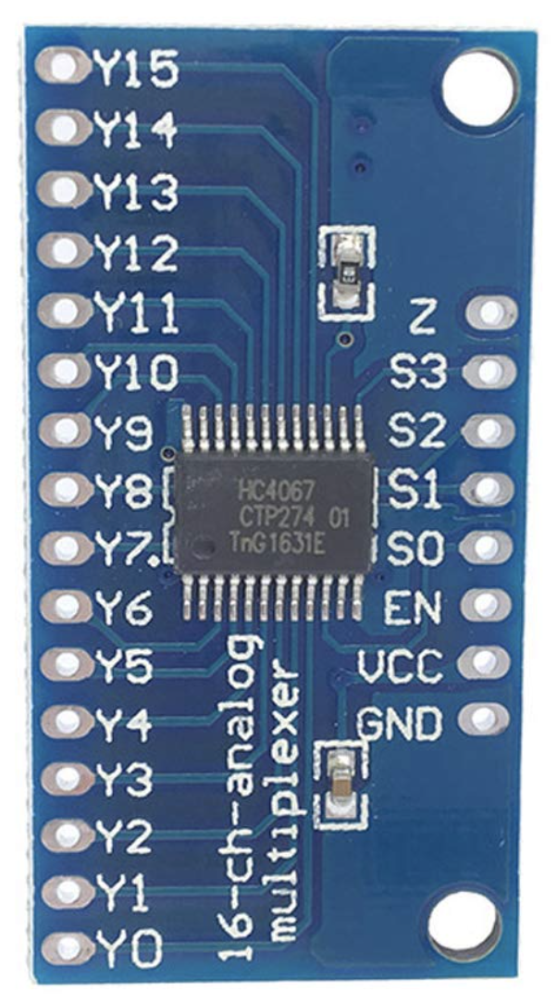
Filters (2)
Potentiometer 22 | 74 | 0-127 | MUX3 | 5 | A1
Potentiometer 23 | 75 | 0-127 | MUX3 | 6 | A1
Voltage Controlled Oscillator (8)
2 position toggle switch 1 | 76 | 0-127 | MUX4 | 6 | D6
2 position toggle switch 2 | 77 | 0-127 | MUX4 | 7 | D6
6 position rotary switch 3 | 78 | 0-127 | MUX4 | 2021-08-13 | D6
6 position rotary switch 4 | 79 | 0-127 | MUX4 & 5 | 14-15 & 0-3 | D6 & D5
Potentiometer 24 | 80 | 0-127 | MUX3 | 7 | A1
Potentiometer 25 | 81 | 0-127 | MUX3 | 8 | A1
Potentiometer 26 | 82 | 0-127 | MUX3 | 9 | A1
Potentiometer 27 | 83 | 0-127 | MUX3 | 10 | A1
Envelope Generator 1 (4) |  | skip 84 b/c it's in use!
Potentiometer 28 | 85 | 0-127 | MUX3 | 11 | A1
Potentiometer 29 | 86 | 0-127 | MUX3 | 12 | A1
Potentiometer 30 | 87 | 0-127 | MUX3 | 13 | A1
Potentiometer 31 | 88 | 0-127 | MUX3 | 14 | A1 | EN goes to ground
Envelope Generator 2 (4) |  |  |  |  |  | Z goes to data pin on arduino
Potentiometer 32 | 89 | 0-127 | MUX3 | 15 | A1
Potentiometer 33 | 90 | 0-127 | MUX6 | 0 | A2
Potentiometer 34 | 91 | 0-127 | MUX6 | 1 | A2
Potentiometer 35 | 92 | 0-127 | MUX6 | 2 | A2
Panel 3 (9 controls)
Mixer (5)
Potentiometer 36 | 93 | 0-127 | MUX6 | 3 | A2
Potentiometer 37 | 94 | 0-127 | MUX6 | 4 | A2
Potentiometer 38 | 95 | 0-127 | MUX6 | 5 | A2
Potentiometer 39 | 96 | 0-127 | MUX6 | 6 | A2
Potentiometer 40 | 97 | 0-127 | MUX6 | 7 | A2
Reversible Attenuator (1)
Potentiometer 41 | 98 | 0-127 | MUX6 | 8 | A2
Controller Outputs (1)
Rocker Switch 4 | 99 | 0-127 | MUX5 | 4 | D5
Controls To (2)
Rocker Switch 5 | 100 | 0-127 | MUX5 | 5 | D5
Rocker Switch 6 | 101 | 0-127 | MUX5 | 6 | D5
Panel 4 (16 controls)
Audio Bridge (2)
Rocker Switch 7 | 102 | 0-127 | MUX5 | 7 | D5
Rocker Switch 8 | 103 | 0-127 | MUX5 | 8 | D5
MIDI Bridge (1)
Rocker Switch 9 | 104 | 0-127 | MUX5 | 9 | D5
Delay Effect (4)
Potentiometer 42 | 105 | 0-127 | MUX6 | 9 | A2
Potentiometer 43 | 106 | 0-127 | MUX6 | 10 | A2
Potentiometer 44 | 107 | 0-127 | MUX6 | 11 | A2
Rocker Switch 10 | 108 | 0-127 | MUX5 | 10 | D5
Reversible Attenuators (2)
Potentiometer 45 | 109 | 0-127 | MUX6 | 12 | A2
Potentiometer 46 | 110 | 0-127 | MUX6 | 13 | A2
Amplifiers (2)
Potentiometer 47 | 111 | 0-127 | MUX6 | 14 | A2
Potentiometer 48 | 112 | 0-127 | MUX6 | 15 | A2
Recorder (5)
Button 1 | 113 | 0-127 | MUX5 | 11 | D5
Button 2 | 114 | 0-127 | MUX5 | 12 | D5
Button 3 | 115 | 0-127 | MUX5 | 13 | D5
Button 4 | 116 | 0-127 | MUX5 | 14 | D5
Button 5 | 117 | 0-127 | MUX5 | 15 | D5

